SCRIPT
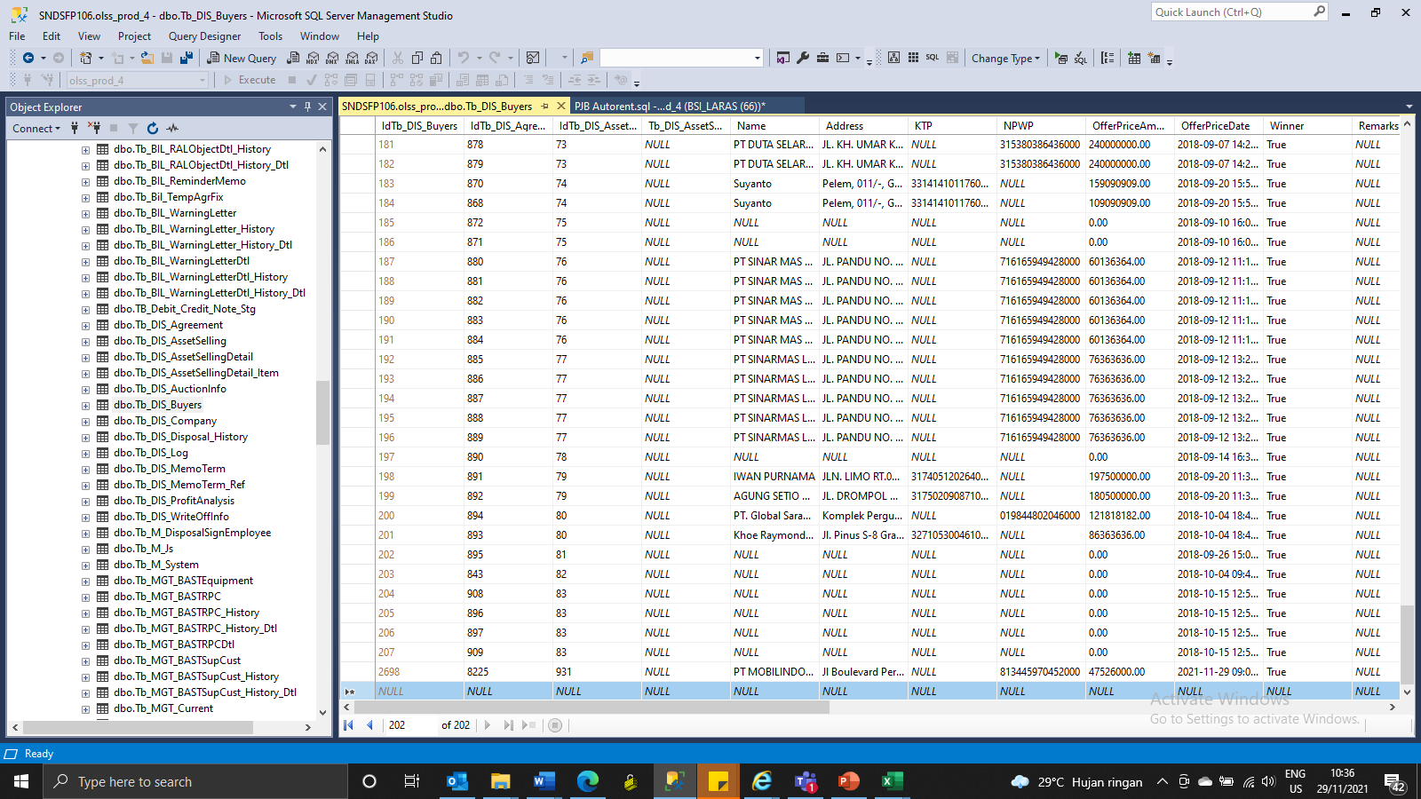
MEMO 00228/COP/11/2021
Insert TB_DIS_BUYERS

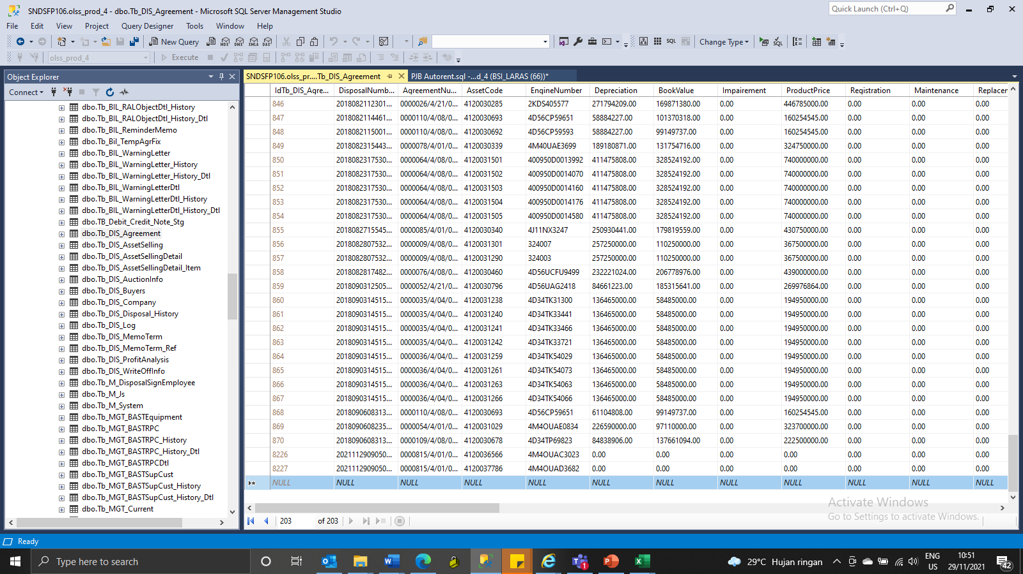
Insert TB_DIS_AGREEMENT

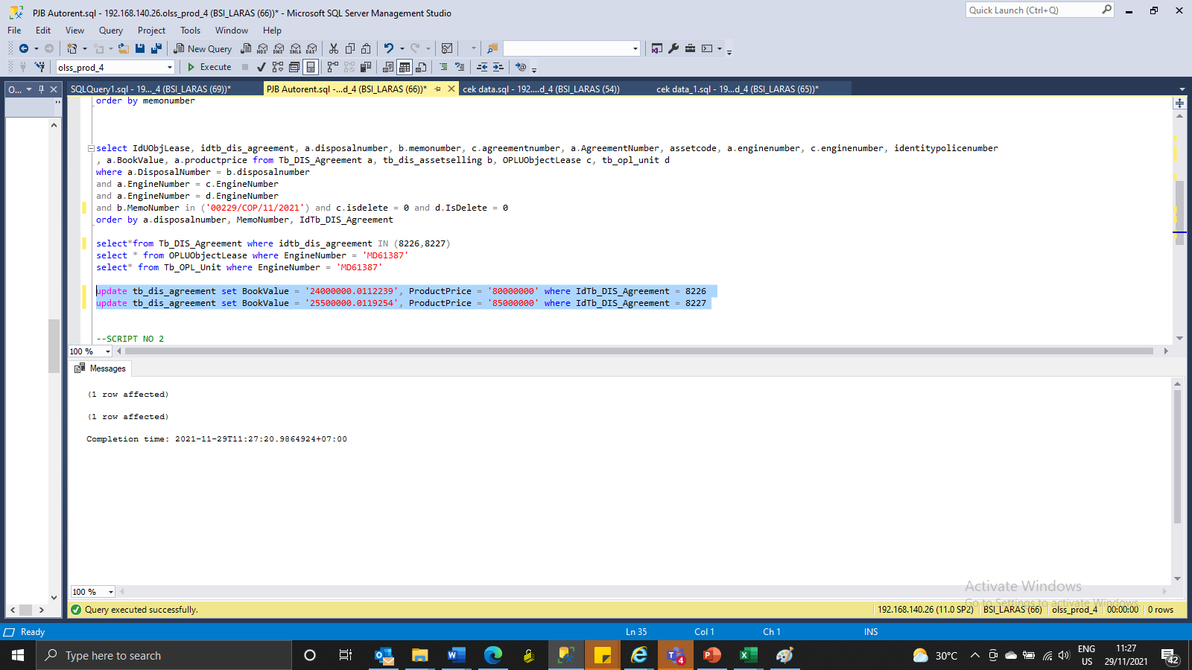
UPDATE
update tb_dis_agreement set BookValue = '24000000.0112239', ProductPrice = '80000000' where IdTb_DIS_Agreement = 8226
update tb_dis_agreement set BookValue = '25500000.0119254', ProductPrice = '85000000' where IdTb_DIS_Agreement = 8227

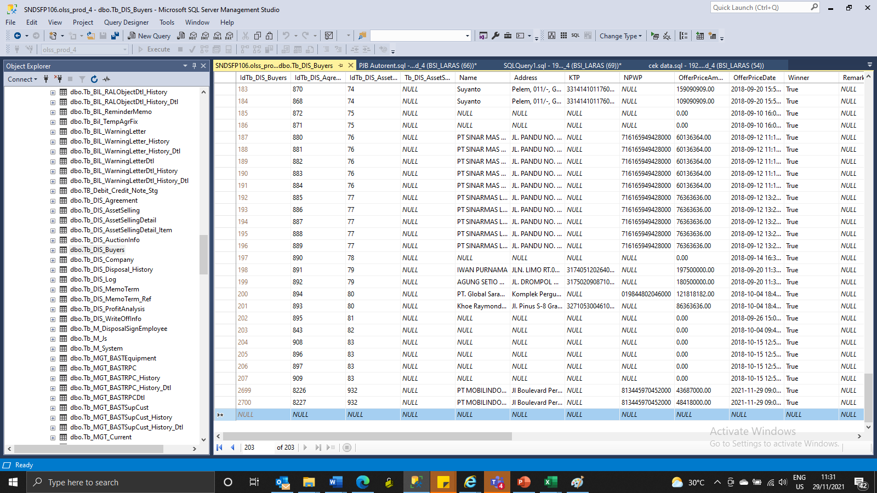
INSERT TB_DIS_BUYERS

SCREENSHOOT
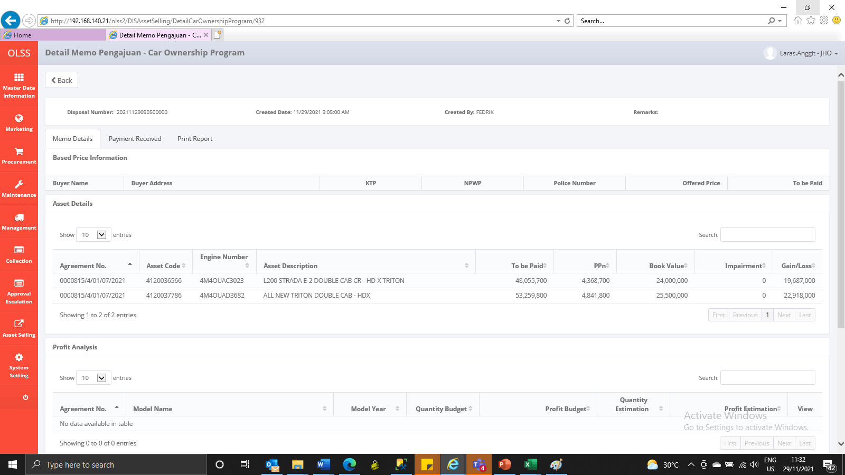
MEMO 00228/COP/11/2021
BEFORE
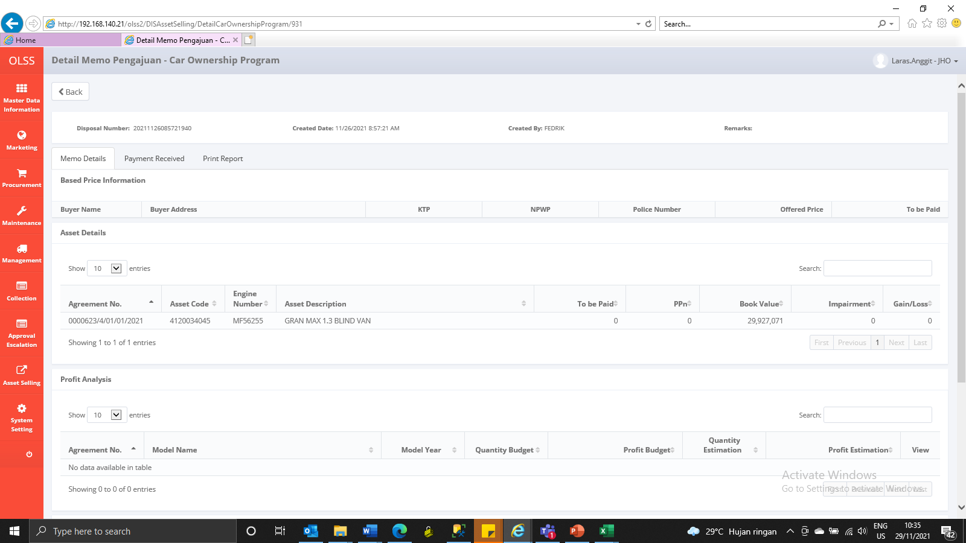

AFTER


MEMO 00229/COP/11/2021
BEFORE
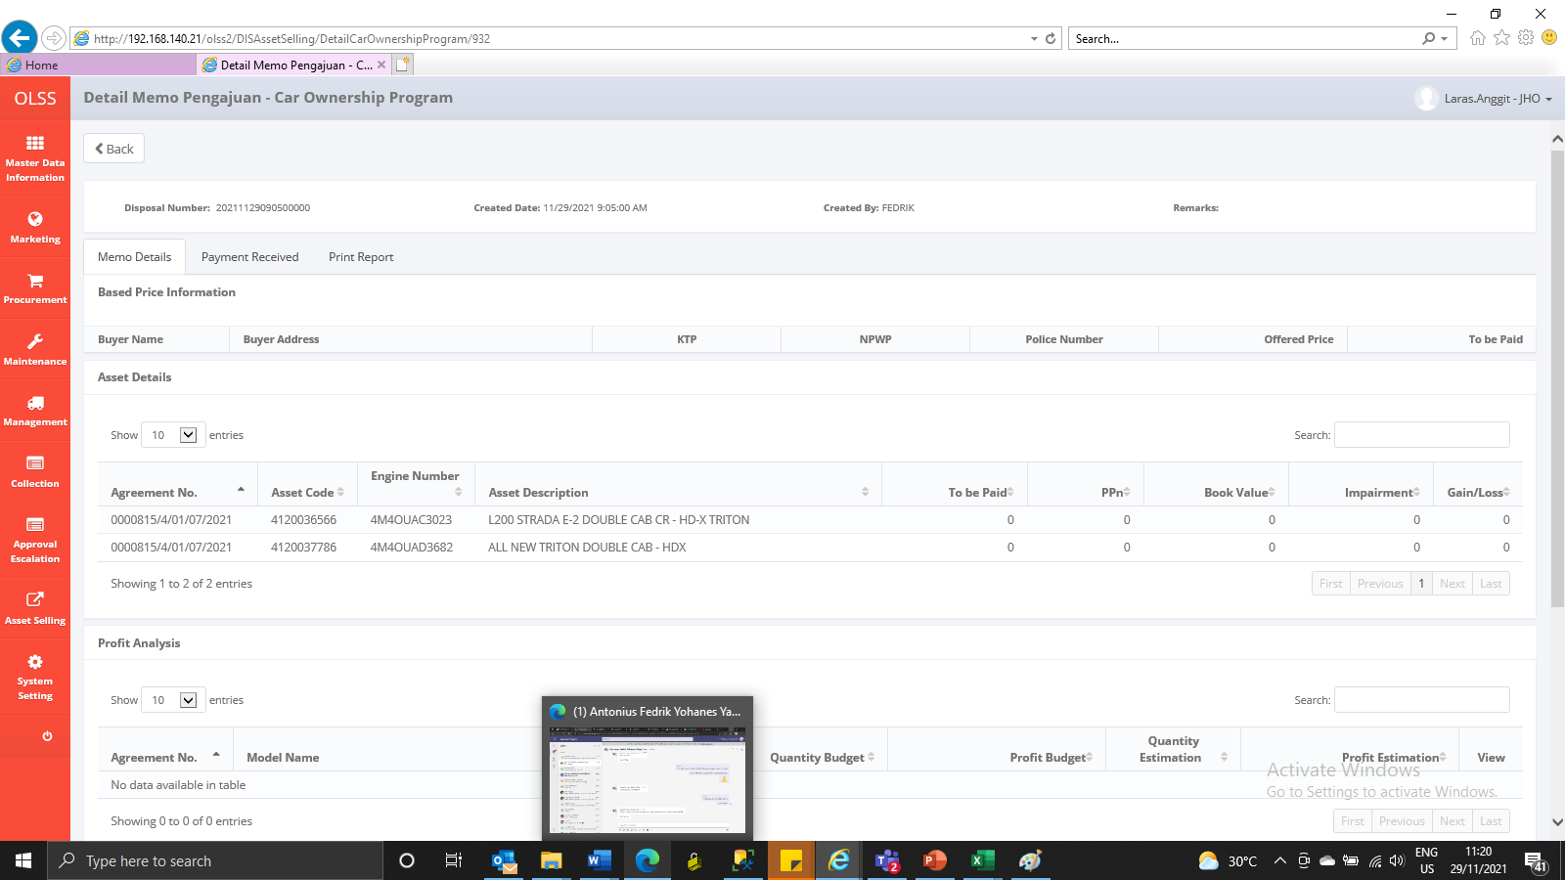

AFTER

